Prompt
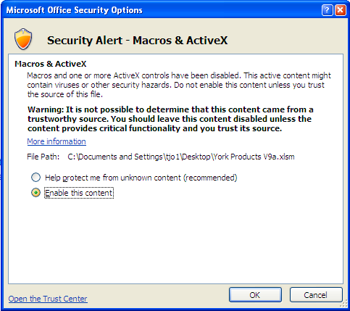
In order to use this spreadsheet,
Please enable Macros in your security settings.

Enabling Macros in Excel 2007
1. In Excel, click the Office button in the upper left corner of the screen.
2. Click the "Excel Options" button in the lower right.
3. Click the "Trust Center" button on the left. Then, at the bottom right, select "Trust Center Settings" as shown below.
4. In the next window, select "Macro Settings," then select the radio button for "Disable all macros with notification."
5. When openning this spreadsheet, you will see a warning like this in the menu bar:

6. Select "Enable this content" and click "Okay". The spreadsheet will now be functional.

